GenEd List
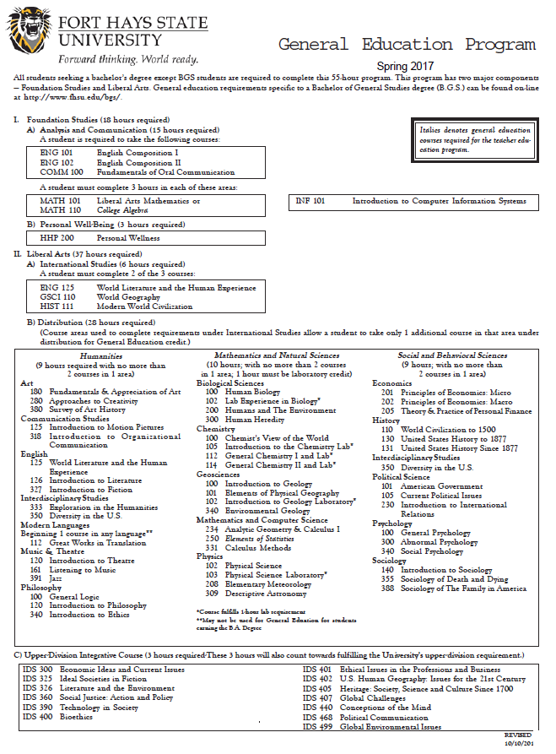
http://www.fhsu.edu/coas/general-education/

